Sheet1
 |  | Document No. | Issue No. | Issue Date |  |  | Review and Replace Date |  | Authorised By
 |  | GFF132MC | 2 | 28.10.2019 |  |  | 08.10.2020 |  | Magda Shah
 |  | Document Title | 10 Thai Fish Cakes with Sweet Chilli Sauce 240g
Document amendments reason for change |  | Tray changed to clear |  |  | Page 1 of 1 |  | Previous Issue Date | 28.10.2019 | Uncontrolled copy unless signed original

CTFCB-R1TEB | BOOTHS - XMAS |  | 10 THAI FISH CAKES WITH SWEET CHILLI SAUCE 240g
STEP 1 |  |  |  |  |  | STEP 2
 |  |  |  |  |  | 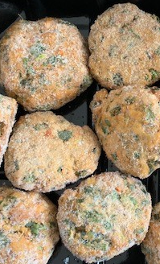

Tray: SK4 Plain Clear (PKESS001-07) |  |  |  |  |  | 10 x Thai Fish Cake (RMTRA003-05) 20g | 200g
LINE 2: ME410AFV2, 410mm wide x 1000m linear PET Antifog WELD seal (PKRPO001-12)
STEP 3 |  |  |  |  |  | STEP 4
DEFROST DAY + 14 DAYS
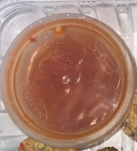 |  |  |  |  |  | 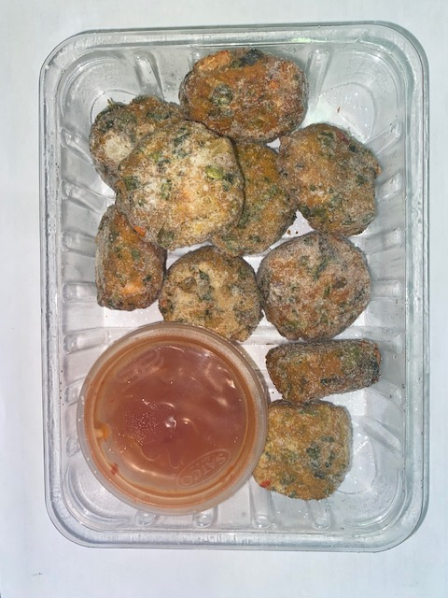

Sweet Chilli Sauce (GFF109R) 40g |  |  |  |  |  | TOTAL WEIGHT: 240g
SATCO CONTAINERS (PKKAV001-17)
ALLERGY ALERT: Crustacean, Fish, Barley, Soya, Sulphites, Wheat

